Sheet1
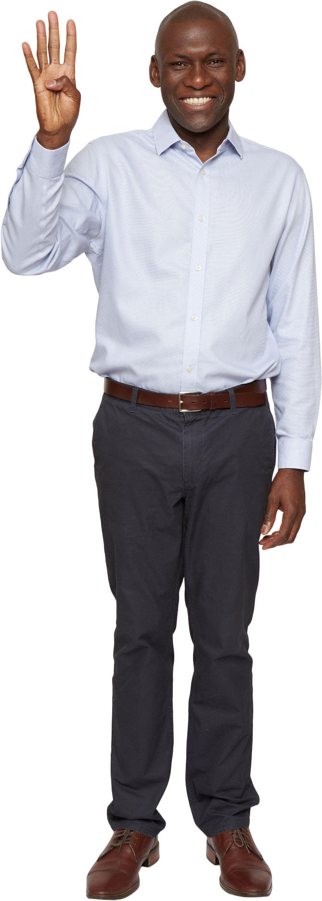
Strings | Answer Expected
a#bc%de | e#dc%ba
beautiful | lufituaeb
3xtr@ordin@rily | 3yli@rnidr@ortx
D1scombobul@t3 | t1lubobmocs@D3
@cc3l3r@t10n | @nt3r3l@c10c
C0n$truct1v3n3$$ | n0v$tcurt1n3C3$$
Ineff@b1lity | ytilb@f1fenI
H3t3r0gen3ous | s3u3o0neg3rtH
5up3rc#l1fr@g1l1$tic3xp14l1d0ci0u$ | 5ui3cd#l1px@c1i1$tlg3rf14l1c0rp0u$
P@r@llelep1p3d | d@p@pelell1r3P
Reverse the English alphabets in the strings. Non-alphabets should not be touched.
3l3ctr0m@gn3t1$c | 3c3tng0m@rt3c1$l
Intr@cr@n14l | lnrc@rt@n14I

